Dashboard
Don & Sons Production Dashboard

Home
Clear

5.00AM 3X Delivery

10.30AM & 1.30PM Delivery

Printing (Stores)

Bakery Recipe Per Item
 | Total
5184 | 65
 | 33

Curry Recipe Per Item
65

Filling Section
Bacon Pastry

Calculation

Curry Sheet
Plan | Item | Code | 5.00 AM | 10.30 AM | 3.30 PM | Total | Average | DAL BBQ 5.00AM | DM1 5.00AM | DM2 5.00AM | DM3 5.00AM | DM4 5.00AM | MAL 5.00AM | KD2 5.00AM | RAG 5.00AM | BWA 5.00AM | BC 5.00AM | - | RAN 5.00AM | WED 5.00AM | KEL 5.00AM | DAL 5.00AM
Weekdays | Bacon Pastry | PS6 | 28 | 20 | 0 | 48 | 16.00 | - | - | - | - | 2.00 | 2.00 | - | 2.00 | 2.00 | 2.00 | 2.00 | 3.00 | 3.00 | 5.00 | 5.00
Saturday | Bacon Pastry | PS6 | 54 | 20 | 0 | 74 | 24.67 | - | - | - | - | 2.00 | 2.00 | - | 3.00 | 4.00 | 5.00 | 5.00 | 5.00 | 5.00 | 15.00 | 8.00
Sunday | Bacon Pastry | PS6 | 54 | 20 | 0 | 74 | 24.67 | - | - | - | - | - | 2.00 | - | 5.00 | 4.00 | 5.00 | 5.00 | 5.00 | 5.00 | 15.00 | 8.00
 |  |  |  |  |  | 65
 |  |  |  |  |  |  |  | 33

Row Labels | Count of Item
Bacon Pastry | 1
Boiled Gram Packet | 1
Boiled Green Gram Packet | 1
Bread | 1
Bread Toast | 1
Cheese Chicken Curry Bun | 1
Cheese Sandwich | 1
Chicken Bun | 1
Chicken Burger Mini | 1
Chicken Chinese Roll | 1
Chicken Ham Cheese & Egg Roll | 1
Chicken Hot Dog | 1
Chicken Pattie | 1
Chicken Pie | 1
Chicken Pizza | 1
Chicken Rotty | 1
Chicken Sandwich | 1
Chicken Sausage Pastry | 1
Chicken Sausage Bun | 1
Chicken Spring Roll | 1
Croissant Roll | 1
Egg Chinese Roll | 1
Egg Cutlet | 1
Egg Pastry | 1
Egg Plain Rotty | 1
Egg Roll | 1
Egg Sandwich | 1
Fish Bun | 1
Fish Chinese Roll | 1
Fish Curry Roll | 1
Fish Cutlet | 1
Fish Pastry | 1
Fish Pattie | 1
Fish Rotty | 1
Fish Sandwich | 1
Ham & Cheese Sandwich | 1
Kurakkan Sandwich Slice Pack | 1
Omelette Bun | 1
Plain Roll / Plain Bun | 1
Prawn Bun | 1
Prawn Savoury Roll | 1
Roast Bread - L | 1
Roast Bread - M | 1
Roast Bread - S | 1
Roast Bread with Seeni Sambol | 1
Sausage Pizza | 1
Seafood Pie | 1
Seeni Sambol Bun | 1
Soya Bun | 1
Stuffed Chillie | 1
Sugar Bun | 1
Sugar Candy Bun | 1
Tea Bun | 1
Tomato & Cheese Sandwich | 1
Vegetable Burger Mini | 1
Vegetable Chinese Roll | 1
Vegetable Cutlet | 1
Vegetable Pastry | 1
Vegetable Pattie | 1
Vegetable Pizza | 1
Vegetable Rotty | 1
Vegetable Sandwich | 1
Vegetable Spring Roll | 1
Viyana Roll | 1
(blank)
Grand Total | 64

Egg Sandwich Label
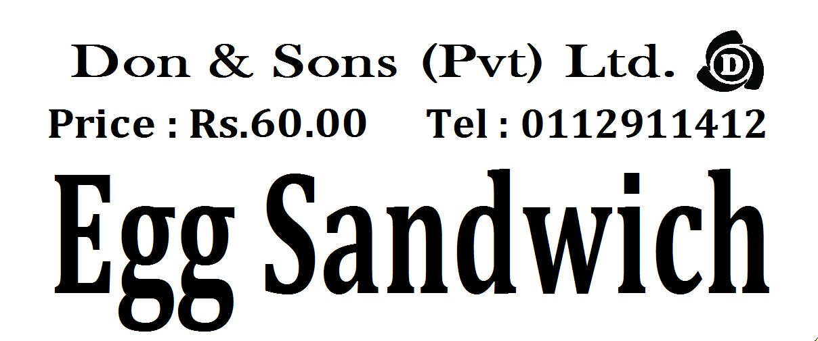

Print | 0

Labels

